Template
 | Trader/Group ID | Beneficiary's Email | Beneficiary's Name | *Beneficiary Bank Code (BIC/SWIFT/Routing) | Beneficiary Bank Name | Beneficiary Account Number/IBAN | Beneficiary Account Type (Checking/Savings) | Beneficiary's Country | Beneficiary's City | Beneficiary's Street | Beneficiary's State/Province | Beneficiary's Post Code | *Beneficiarys DOB (yyyy-mm-dd) | *Beneficiarys POB
Example > | ZIMTRA | adaml@zimtra.ky | Zimtra Asset Management SEZC | FIYCKYKYXXX | Proven Bank (Cayman) Limited | 20178216 | Savings | Cayman Islands | George Town | 90 North Church St. | Grand Cayman | KY1-9012 | 1980-06-23
Add your details Here >

 |  |  |  | >>>>>>> | >>>>>>>
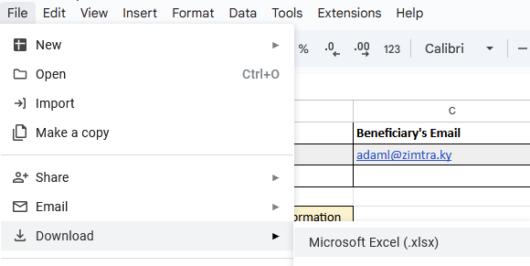

How to request wire out.
1 Step: click File > Download (.xlsx). (as per Screenshot)
2 Step: Enter your information, fill all Mandatory fields
3 Step: Send .xlsx Template to us as a reply to the email / ticket.

Additional information:
All fields are mandatory
If beneficiary bank is located in US please provide routing number instead of SWIFT code.
*Beneficiarys Date of Birth. Mandatory when beneficiary is an Individual.
*Beneficiarys Place of Birth. Mandatory when beneficiary is an Individual.
Beneficiary's Address: Your current Address, should match address we have on file (Address provided in Proof of Address during registration)

